readme
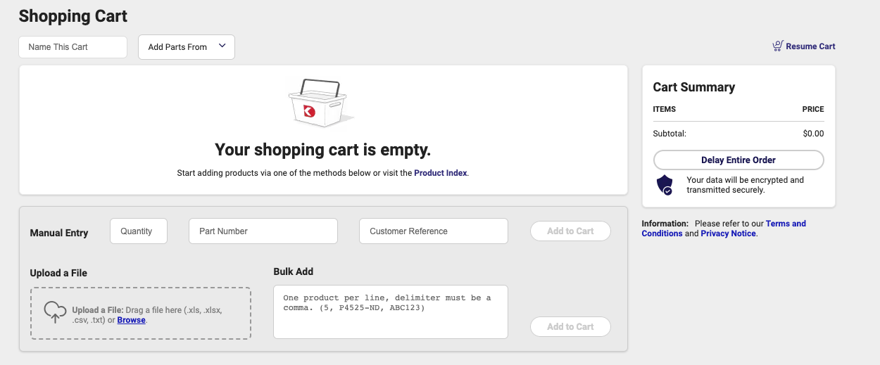
"board reference parts" are those that can be directly obtained from the BOM output in kicad
"other parts" are ones that were subsumed in more complex footprints, or peripheral parts

latest digikey BOM is here: https://github.com/dcschooley/open-source-rover/blob/revF/electrical/pcb/control_board/BOM/v2.0.1/digikey_bom_4-20-2023.csv
only things not on there that should be are: A33
Use the "upload a file" option in digikey to upload the bom csv

